Sort
 | Sort as per conditions and Copy paste the results, by adding a new sheet in this file. Plus Paste Screenshots of Sort Box.
 | 1. Sort Segment, inside each segment Country should be sorted, with sorted profit for each country Low to high.
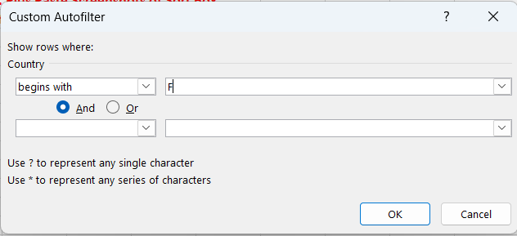
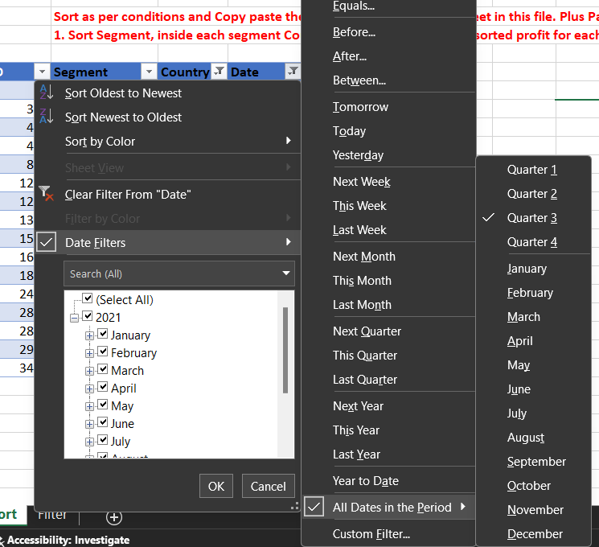
ID | Segment | Country | Date | Profit
46 | Government | France | 2021-09-01 | 135801
329 | Channel Partners | France | 2021-09-01 | 60921
423 | Channel Partners | France | 2021-08-01 | 87532
482 | Midmarket | France | 2021-07-01 | 57399
803 | Government | France | 2021-07-01 | 96209
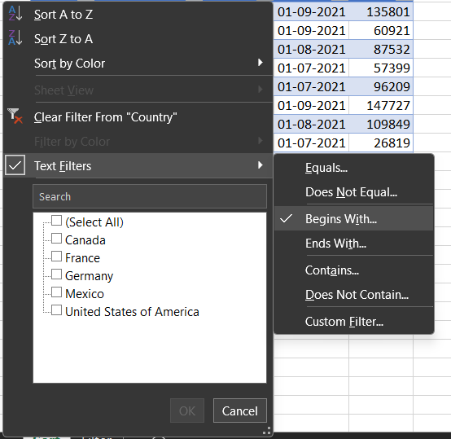
1200 | Midmarket | France | 2021-09-01 | 147727
1210 | Enterprise | France | 2021-08-01 | 109849
1332 | Enterprise | France | 2021-07-01 | 26819
1572 | Government | France | 2021-07-01 | 44394
1686 | Government | France | 2021-07-01 | 173616
1829 | Small Business | France | 2021-07-01 | 185869
2466 | Channel Partners | France | 2021-09-01 | 258051
2896 | Government | France | 2021-07-01 | 89802
2897 | Government | France | 2021-08-01 | 23250
2972 | Government | France | 2021-08-01 | 7382
3471 | Midmarket | France | 2021-07-01 | 176652

Filter
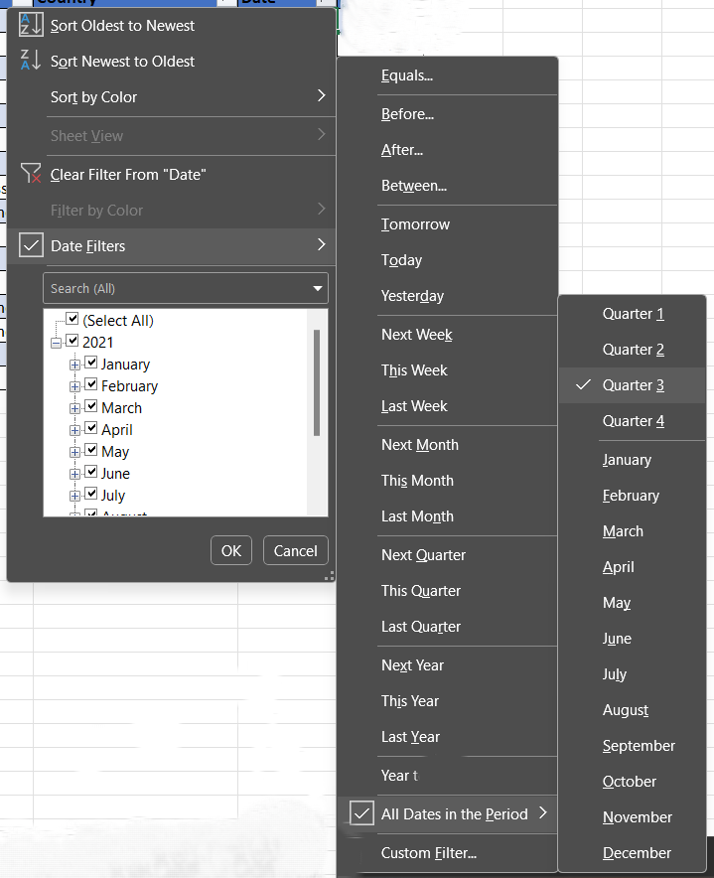
Sort as per conditions and Copy paste the results, by adding a new sheet in this file. Plus Paste Screenshots of Advanced Filter(wherever necessary)
1. Filter all the Country name starts with letter "F"
2. Filter the data in Quarter 3
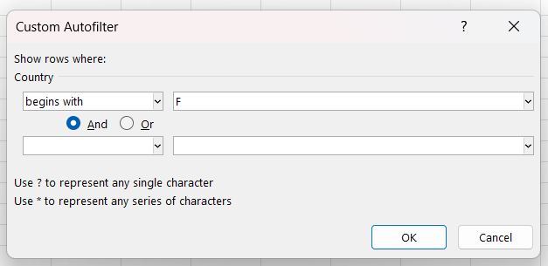
ID | Segment | Country | Date | Profit
5 | Government | France | 2021-09-01 | 135801
25 | Channel Partners | France | 2021-09-01 | 60921
31 | Channel Partners | France | 2021-08-01 | 87532
34 | Midmarket | France | 2021-07-01 | 57399
57 | Government | France | 2021-07-01 | 96209
99 | Midmarket | France | 2021-09-01 | 147727
100 | Enterprise | France | 2021-08-01 | 109849
113 | Enterprise | France | 2021-07-01 | 26819
138 | Government | France | 2021-07-01 | 44394
151 | Government | France | 2021-07-01 | 173616
168 | Small Business | France | 2021-07-01 | 185869
207 | Channel Partners | France | 2021-09-01 | 258051
248 | Government | France | 2021-07-01 | 89802
249 | Government | France | 2021-08-01 | 23250
257 | Government | France | 2021-08-01 | 7382
271 | Midmarket | Mexico | 2021-03-01 | 201340
272 | Channel Partners | Germany | 2021-11-01 | 55433
273 | Enterprise | Canada | 2021-07-01 | 104422
274 | Midmarket | France | 2021-12-01 | 100956
275 | Midmarket | Germany | 2021-04-01 | 135272
276 | Channel Partners | United States of America | 2021-07-01 | 59920
277 | Midmarket | United States of America | 2021-10-01 | 163127
278 | Channel Partners | Canada | 2021-12-01 | 232472
279 | Enterprise | United States of America | 2021-11-01 | 28110
280 | Enterprise | Canada | 2021-01-01 | 40778
281 | Small Business | Mexico | 2021-01-01 | 219774
282 | Small Business | Canada | 2021-08-01 | 216458
283 | Small Business | Germany | 2021-03-01 | 39973
284 | Channel Partners | France | 2021-11-01 | 195638
285 | Channel Partners | Germany | 2021-01-01 | 256329
286 | Small Business | Mexico | 2021-06-01 | 11238
287 | Midmarket | Germany | 2021-11-01 | 20238
288 | Small Business | Mexico | 2021-07-01 | 226327
289 | Channel Partners | United States of America | 2021-02-01 | 192728
290 | Small Business | United States of America | 2021-10-01 | 245470
291 | Small Business | United States of America | 2021-09-01 | 12156
292 | Midmarket | France | 2021-02-01 | 11682
293 | Enterprise | Canada | 2021-11-01 | 161110
294 | Channel Partners | Mexico | 2021-03-01 | 155535
295 | Channel Partners | Germany | 2021-06-01 | 223894
296 | Midmarket | Mexico | 2021-04-01 | 22839
297 | Channel Partners | Canada | 2021-06-01 | -14202
298 | Midmarket | United States of America | 2021-09-01 | 98246
299 | Small Business | Canada | 2021-05-01 | 111998
300 | Channel Partners | United States of America | 2021-09-01 | 74093
301 | Midmarket | Canada | 2021-11-01 | 40179
302 | Enterprise | Mexico | 2021-08-01 | 75634
303 | Small Business | Canada | 2021-02-01 | -11610
304 | Enterprise | Canada | 2021-06-01 | 34080
305 | Small Business | Mexico | 2021-05-01 | 239368
306 | Midmarket | France | 2021-10-01 | 86076
307 | Enterprise | United States of America | 2021-03-01 | 75969
308 | Midmarket | United States of America | 2021-07-01 | -39689
309 | Midmarket | France | 2021-04-01 | 51383
310 | Channel Partners | United States of America | 2021-07-01 | 252080
311 | Midmarket | France | 2021-07-01 | 176652
312 | Small Business | United States of America | 2021-05-01 | 125616
313 | Enterprise | Germany | 2021-08-01 | 7269

